Sheet1
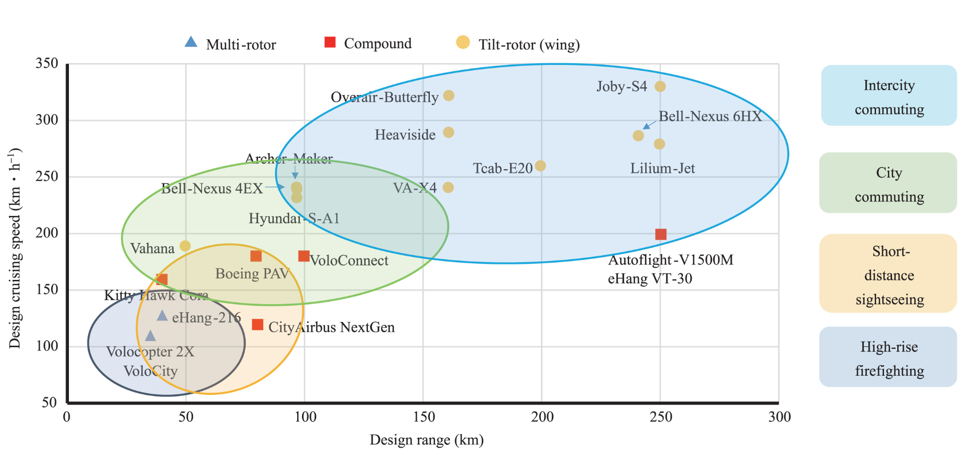
Here we write news about eVTOL development and companies.

 | web address | Category | Date visited | Notes
 | https://www.mckinsey.com/featured-insights/the-next-normal/air-taxis | Technological tendencies | 2024-03-11 | By 2030, the leading companies in the passenger AAM industry could have bigger fleets—and offer many more flights per day—than the world’s largest airlines. Flights will be shorter, averaging only 18 minutes, with fewer passengers on board (between one and six, plus a pilot). That cadence—large numbers of aircraft flying frequent, short flights—will create operational challenges
 | https://www.sciencedirect.com/science/article/pii/S2773153723000762 | Technological tendencies | 2024-04-11 | see image to the right
 | https://aviationweek.com/business-aviation/opinion-there-will-be-blood-dissecting-evtol-business-models#:~:text=The%20direct%20operating%20cost%20per,from%20conventional%20helicopters%20to%20eVTOLs. | Financial | 12/03/2024 | It expects that its six-passenger Lilium Jet can offer $2.25 per-seat-mile pricing while operating 10 hr. per day
 | https://www.morganstanley.com/ideas/autonomous-aircraft | Financial | 2024-12-03 | Morgan Stanley Research says autonomous urban aircraft may no longer be the stuff of comic books. Accelerating tech advances and investment could create a $1.5 trillion market by 2040.
 | https://www.icao.int/safety/UA/Pages/default.aspx | Regulations | 13/03/24 | The International Civil Aviation Organization (OACI) is responsible for coordinating and developing global Standards and Recommended Practices (SARPs), Procedures, and Guidance material for unmanned aviation
 | https://www.icao.int/Meetings/innovation-series/Pages/Challenges-and-Opportunities-for-Electric-Vertical-Takeoff-and-Landing-(eVTOL)-Aircraft-in-South-America.aspx | Regulations | 13/03/24 | There is a technological revolution in the aerospace industry with the development of eVTOL (Electric Vertical Takeoff and Landing) by existing companies and startups, leveraging the expertise of original equipment manufacturers. Some eVTOL projects will be service-ready by 2025, but work on a globally harmonized regulatory framework is ongoing. Collaboration among regulators, concept developers, manufacturers, air navigation service providers, and the aviation community is crucial for the safe and orderly integration of this new technology into the airspace.
 | https://www.investing.com/news/stock-market-news/lilium-partners-with-atlantic-aviation-for-evtol-aircraft-integration-93CH-3336460 | Financial | 13/03/24 | According to InvestingPro data, Lilium holds a market capitalization of approximately $526.16 million, reflecting the market's current valuation of the company. Despite the promising future of eVTOL technology, the firm's P/E ratio stands at -0.93 for the last twelve months as of Q2 2023, indicating that the company has not yet turned profitable.
 | https://www.aerospacetestinginternational.com/features/volocity-evtol-passes-ground-vibration-tests.html | Advances | 13/03/24 | Volocopter plans to begin commercially operating its two seat all-electric VoloCity this year, providing short flights in urban areas. The 18-rotor eVTOL aircraft has a range of 22 miles (35km) and a top speed of 69mph (110km/h).
 | https://www.ainonline.com/aviation-news/futureflight/2024-03-13/atlantic-fbos-prepare-support-lilium-evtol-flights | Advances | 13/03/24 | Atlantic Aviation is expanding its plans to support eVTOL operations through a partnership announced Wednesday with manufacturer Lilium. Under a memorandum of understanding, the business aviation services group will prepare its North American network of more than 100 FBOs to support commercial operations with the six-passenger Lilium Jet.
 | https://airwaysmag.com/falcon-aviation-archer-evtol-service-uae/ | Advances | 13/03/24 | Falcon Aviation and Archer are partnering to launch eVTOL air services between Abu Dhabi and Dubai, aiming to start operations by 2025. The plan includes developing a network of vertiports and utilizing Archer's four-passenger Midnight aircraft for quick, sustainable, and quiet commutes. The operation begins with a connection between Atlantis The Palm in Dubai and Marina Mall in Abu Dhabi, cutting travel time
 | https://www.futureflight.aero/news-article/2024-02-12/dubai-gives-joby-exclusive-rights-local-evtol-air-taxi-market | Political | 13/03/24 | Dubai’s government in the UAE has granted Joby Aviation exclusive access to the local market for eVTOL air taxi services in a move that excludes other manufacturers and operators for six years.
 | https://dronelife.com/2024/03/11/lift-aircraft-introduces-first-pay-per-flight-evtol-experience/ | Advances | 13/03/24 | The company’s first-ever pay-per-flight experiences are now open to the public, with operations starting at Lakeland Linder Airport until April 28(2024).
 | https://airinsight.com/the-coming-evtol-collapse/ | Technological tendencies | 13/03/24 | Negative review on eVTOL, but a hybrid aircraft could be a solution in which kerosene powers a well-tuned generator, which in turn electrically flies the aircraft. See HEX program from Loocked Martin
 | https://whnt.com/business/press-releases/ein-presswire/695634322/evtol-aircraft-post-safety-and-regulatory-risks/ | Regulations | 13/03/24 | Aviation experts examined the crash of a Joby JAS4 eVTOL aircraft and found significant safety concerns and regulatory challenges related to eVTOL aircraft.
 | https://www.militaryaerospace.com/uncrewed/article/14300270/chinas-ehang-earns-worlds-first-evtol-type-certificate | Advances | 14/03/24 | EHang's EH216-uncrewed aerial vehicle (UAV) system, has obtained the type certificate (TC) officially issued by the Civil Aviation Administration of China (CAAC). This is the world’s first TC for unmanned electric vertical take-off and landing aircraft (eVTOL).
 |  | Advances | 14/03/24
 |  | Advances | 14/03/24
 |  | Advances | 14/03/24

